Sheet1
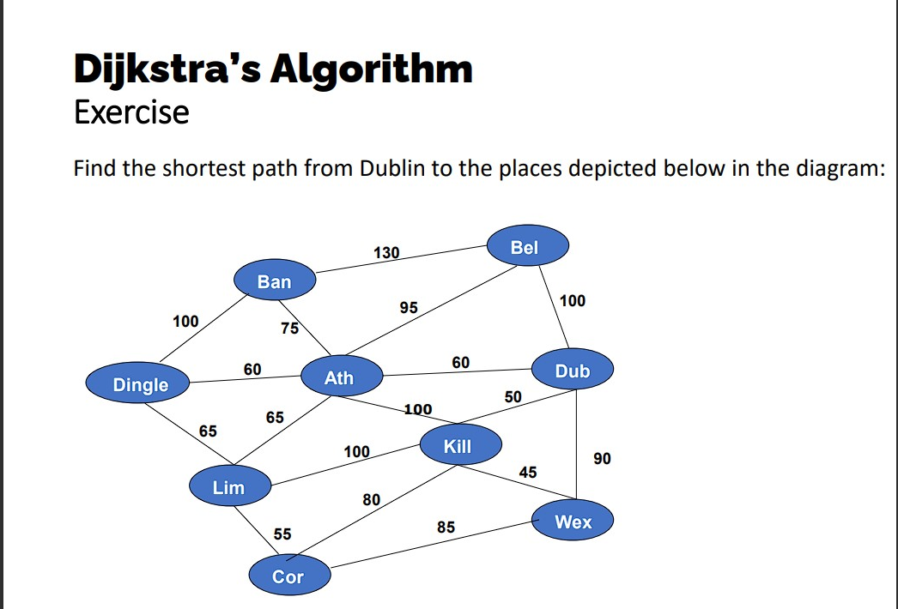
A |  | 3 |  | B |  | 1 |  | E
 | 1 |  | 7 |  | 5 |  | 7
 |  | C |  |  |  | D

Values in the Cloud
Cloud | Value | Previous
B | 0 | null
E | 1 | B
A | 3 | B
C | 4 | A
D | 5 | B

 |  |  |  |  |  |  |  |  | Dub | 0
 |  |  |  |  |  |  |  |  | Bel | 100 | Dub
 |  |  |  |  |  |  |  |  | Wex | 90 | Dub
 |  |  |  |  |  |  |  |  | Kill | 50 | Dub
 |  |  |  |  |  |  |  |  | Ath | 60 | Dub
 |  |  |  |  |  |  |  |  | Ban | 135 | Ath
 |  |  |  |  |  |  |  |  | Dingle | 120 | Ath
 |  |  |  |  |  |  |  |  | Lim | 125 | Ath
 |  |  |  |  |  |  |  |  | Cor | 130 | Kill

